Sheet1
Task | Size | Time

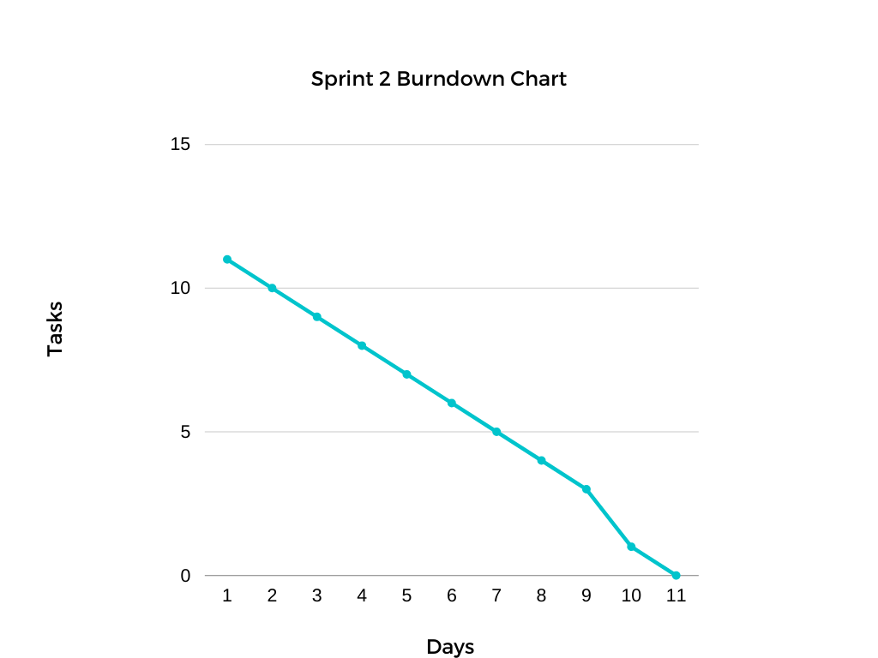
Event Search Template | small | 1
Event Search View | medium | 2
Lot Search Template | small | 1
Lot Search View | medium | 2
Section Selection Template | small | 1
Section Selection View | medium | 2
Manager Add Lot | medium | 2
manager add section | medium | 2
manager view reservation | small | 1
manager edit reservation | small | 1
manager delete reservation | small | 1

estimated time to completion: | 6-7 days

